SUMMARY
TALENT LEAGUE BOYS FITNESS TESTING

TEAM AVERAGES
Club | Height | VJ | VJ - L | VJ - R | 5m | 10m | 20m | Agility | Yo-Yo Level | Yo-Yo Dist
Bendigo | 184.5 | 61.6 | 72.4 | 68.9 | 1.10 | 1.82 | 3.08 | 8.50 | 20.06 | 697.6
Calder | 185.0 | 62.7 | 77.9 | 72.7 | 1.13 | 1.85 | 3.08 | 8.41 | 20.07 | 717.4
Dandenong | 185.5 | 62.6 | 77.1 | 70.2 | 1.15 | 1.86 | 3.11 | 8.56 | 20.06 | 681.2
Eastern | 184.8 | 61.4 | 76.2 | 70.0 | 1.09 | 1.81 | 3.05 | 8.47 | 20.05 | 657.3
Geelong | 186.2 | 60.2 | 74.3 | 69.6 | 1.12 | 1.84 | 3.09 | 8.45 | 20.04 | 603.6
Gippsland | 185.6 | 59.9 | 76.1 | 71.3 | 1.14 | 1.87 | 3.11 | 8.45 | 20.06 | 669.0
GWV | 185.9 | 59.9 | 74.8 | 69.2 | 1.11 | 1.84 | 3.09 | 8.43 | 20.06 | 667.4
Murray | 186.0 | 64.5 | 75.2 | 71.9 | 1.13 | 1.86 | 3.09 | 8.55 | 20.05 | 653.7
Northern | 184.5 | 60.6 | 74.5 | 72.2 | 1.14 | 1.86 | 3.08 | 8.42 | 20.06 | 675.3
Oakleigh | 184.2 | 62.5 | 74.8 | 73.0 | 1.14 | 1.86 | 3.08 | 8.55 | 20.06 | 683.4
Sandringham | 188.3 | 61.2 | 76.0 | 69.3 | 1.14 | 1.86 | 3.09 | 8.52 | 20.07 | 712.0
Tasmania | 183.8 | 63.1 | 75.9 | 71.3 | 1.14 | 1.87 | 3.12 | 8.67 | 20.04 | 599.0
Western | 185.3 | 61.7 | 74.8 | 70.4 | 1.10 | 1.81 | 3.06 | 8.46 | 20.04 | 585.5

League Average | 185.5 | 61.6 | 75.3 | 70.7 | 1.124 | 1.846 | 3.085 | 8.481 | 20.06 | 667

POSITIONAL AVERAGES
Position | Height | VJ | VJ - L | VJ - R | 5m | 10m | 20m | Agility | Yo-Yo Level | Yo-Yo Dist
Small Defender | 177.6 | 59.9 | 73.3 | 73.5 | 1.15 | 1.86 | 3.09 | 8.47 | 20.07 | 702
Small Midfielder | 178.0 | 61.7 | 74.9 | 72.0 | 1.13 | 1.85 | 3.07 | 8.35 | 20.08 | 774
Small Forward | 175.5 | 62.0 | 74.0 | 70.6 | 1.15 | 1.86 | 3.09 | 8.40 | 20.06 | 669
Medium Defender | 185.8 | 62.1 | 75.7 | 70.0 | 1.12 | 1.84 | 3.07 | 8.49 | 20.06 | 683
Medium Midfielder | 184.9 | 62.3 | 76.2 | 71.9 | 1.12 | 1.84 | 3.07 | 8.48 | 20.07 | 705
Medium Forward | 186.9 | 62.7 | 77.9 | 71.5 | 1.10 | 1.82 | 3.05 | 8.43 | 20.05 | 656
Tall Defender | 194.0 | 59.8 | 75.6 | 68.5 | 1.12 | 1.86 | 3.13 | 8.59 | 20.04 | 605
Tall Midfielder | 192.7 | 59.8 | 73.6 | 68.3 | 1.11 | 1.84 | 3.10 | 8.59 | 20.06 | 680
Tall Forward | 195.0 | 60.8 | 73.9 | 69.8 | 1.12 | 1.86 | 3.13 | 8.59 | 20.04 | 582
Ruck | 198.7 | 60.0 | 74.2 | 67.3 | 1.11 | 1.87 | 3.15 | 8.70 | 19.04 | 436
CREATED BY MATT GLOSSOP | AFL TALENT HIGH PERFORMANCE LEAD

Top 10s
TRENDS & TOP 10's
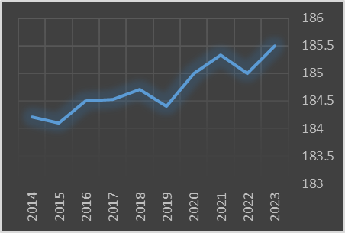
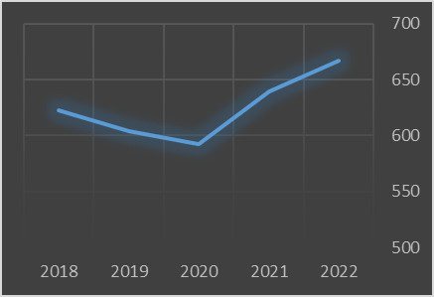
HEIGHT | 2023 Top 10 |  |  |  |  | YO-YO DISTANCE | 2023 Top 10
 | No. | First | Surname | Club | Score |  | No. | First | Surname | Club | Score
 | 1 | Flynn | Riley | Northern | 206.1 |  | 1 | Harvey | Thomas | Oakleigh | 22.01
 | 2 | William | Green | Northern | 204.1 |  | 2 | Archie | Caldow | GWV | 22.01
 | 3 | Toby | Cossor | Murray | 203.8 |  | 3 | Tarkyn | O'Leary | Sandringham | 22.01
 | 4 | Archer | Reid | Gippsland | 203.2 |  | 4 | Charlie | Opie | Northern | 22.01
 | 5 | Vigo | Visentini | Sandringham | 202.9 |  | 5 | Darcy | Wilson | Murray | 21.08
 | 6 | Boston | Dowling | Oakleigh | 202.9 |  | 6 | Tobyn | Murray | Geelong | 21.08
 | 7 | Joe | Pike | Geelong | 202.8 |  | 7 | Maison | Goodman | Calder | 21.08
 | 8 | Isaac | Cullen | Calder | 202.5 |  | 8 | Oliver | Badr | Oakleigh | 21.08
 | 9 | Lachlan | Smith | Gippsland | 202.0 |  | 9 | Jett | Mclaughlan | Northern | 21.08
 | 10 | Mac | Scoullar | GWV | 201.9 |  | 10 | Levi | Ashcroft | Sandringham | 21.07
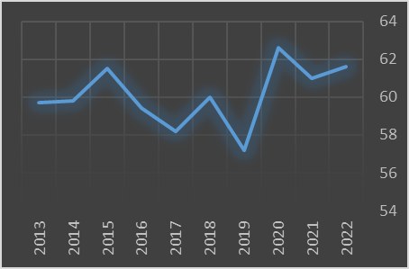
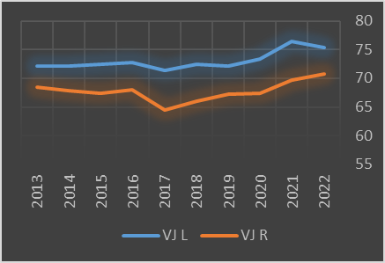
VERTICAL JUMP | 2023 Top 10 |  |  |  |  | RUNNING VERTICAL JUMP | 2023 Top 10
 | No. | First | Surname | Club | Score |  | No. | First | Surname | Club | Score
 | 1 | Rye | Penny | Calder | 86 |  | 1 | Rye | Penny | Calder | 101
 | 2 | Taj | McMillan | Bendigo | 82 |  | 2 | Sam | Hoghton | Gippsland | 100
 | 3 | Phoenix | Gothard | Murray | 78 |  | 3 | Jed | Daniels | Bendigo | 96
 | 4 | Coby | James | Murray | 78 |  | 4 | Daniel | Snell | Western | 96
 | 5 | Shane | Clough | Calder | 77 |  | 5 | Jacob | Vippond | Eastern | 95
 | 6 | Daniel | Snell | Western | 76 |  | 6 | Ethan | Fitzpatrick | Calder | 94
 | 7 | Billy | Wilson | Dandenong | 76 |  | 7 | Will | Mclachlan | Geelong | 93
 | 8 | Liam | Jones | Tasmania | 76 |  | 8 | Jack | Gilligan | Tasmania | 93
 | 9 | Harrison | Hewitt | Murray | 75 |  | 9 | Darby | Wilson | Murray | 92
 | 10 | Jed | Daniels | Bendigo | 75 |  | 10 | Billy | Wilson | Dandenong | 92
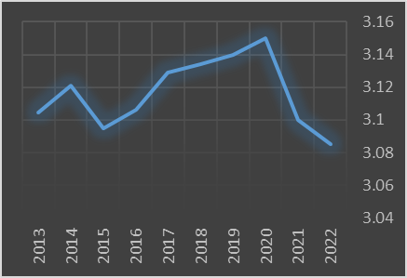
20m SPRINT | 2023 Top 10 |  |  |  |  | AGILITY | 2023 Top 10
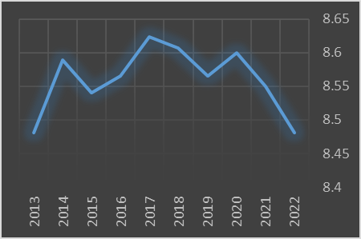
 | No. | First | Surname | Club | Score |  | No. | First | Surname | Club | Score
 | 1 | Rook | Barry | Western | 2.845 |  | 1 | Jake | Woodward | Northern | 7.84
 | 2 | Jacob | Vippond | Eastern | 2.854 |  | 2 | Sam | McDonald | GWV | 7.85
 | 3 | Jed | Daniels | Bendigo | 2.857 |  | 3 | Oliver | Poole | Bendigo | 7.86
 | 4 | Joziah | Nannup | Dandenong | 2.870 |  | 4 | Taj | McMillan | Bendigo | 7.89
 | 5 | Harry | Sullivan | Sandringham | 2.884 |  | 5 | Nathan | Philactides | Oakleigh | 7.90
 | 6 | Rye | Penny | Calder | 2.892 |  | 6 | Ben | McGlade | GWV | 7.93
 | 7 | Joshua | Goldie | Eastern | 2.902 |  | 7 | Connor | Byrne | GWV | 7.95
 | 8 | Caleb | Windsor | Eastern | 2.905 |  | 8 | Isaac | Kako | Calder | 7.95
 | 9 | Rhys | Unwin | GWV | 2.919 |  | 9 | Jett | Mclaughlan | Northern | 7.97
 | 10 | Blake | Leidler | Oakleigh | 2.922 |  | 10 | Tarkyn | O'Leary | Sandringham | 7.97
 |  |  |  |  |  | CREATED BY MATT GLOSSOP | AFL TALENT HIGH PERFORMANCE LEAD

